Dashboard
1) |  | 3)
Survived Passengers per Class
 | Total
1 | 136
2 | 87
3 | 119
Age Distribution by Gender
 | female | male
0-10 | 35 | 36
10-20 | 54 | 74
20-30 | 92 | 201
30-40 | 68 | 131
40-50 | 42 | 72
50-60 | 18 | 33
60-70 | 5 | 19
70-80 |  | 7

2) |  | 4)
Family Sizes Aboard the Titanic
 | Total
0 | 674
1 | 118
2 | 80
3 | 5
4 | 4
5 | 5
6 | 1
Gender per Passenger Class
 | female | male
1 | 94 | 122
2 | 76 | 108
3 | 144 | 343

 | 5)

Family Size vs. Survival Rate
 | Total
0 | 233
1 | 65
2 | 40
3 | 3
4 | 0
5 | 1
6 | 0

Null Hypothesis - Gender does not play a role on if you survived the sinking of the Titanic

Alternative Hypothesis - Gender does play a role on if you survived the sinking of the Titanic

Significance model

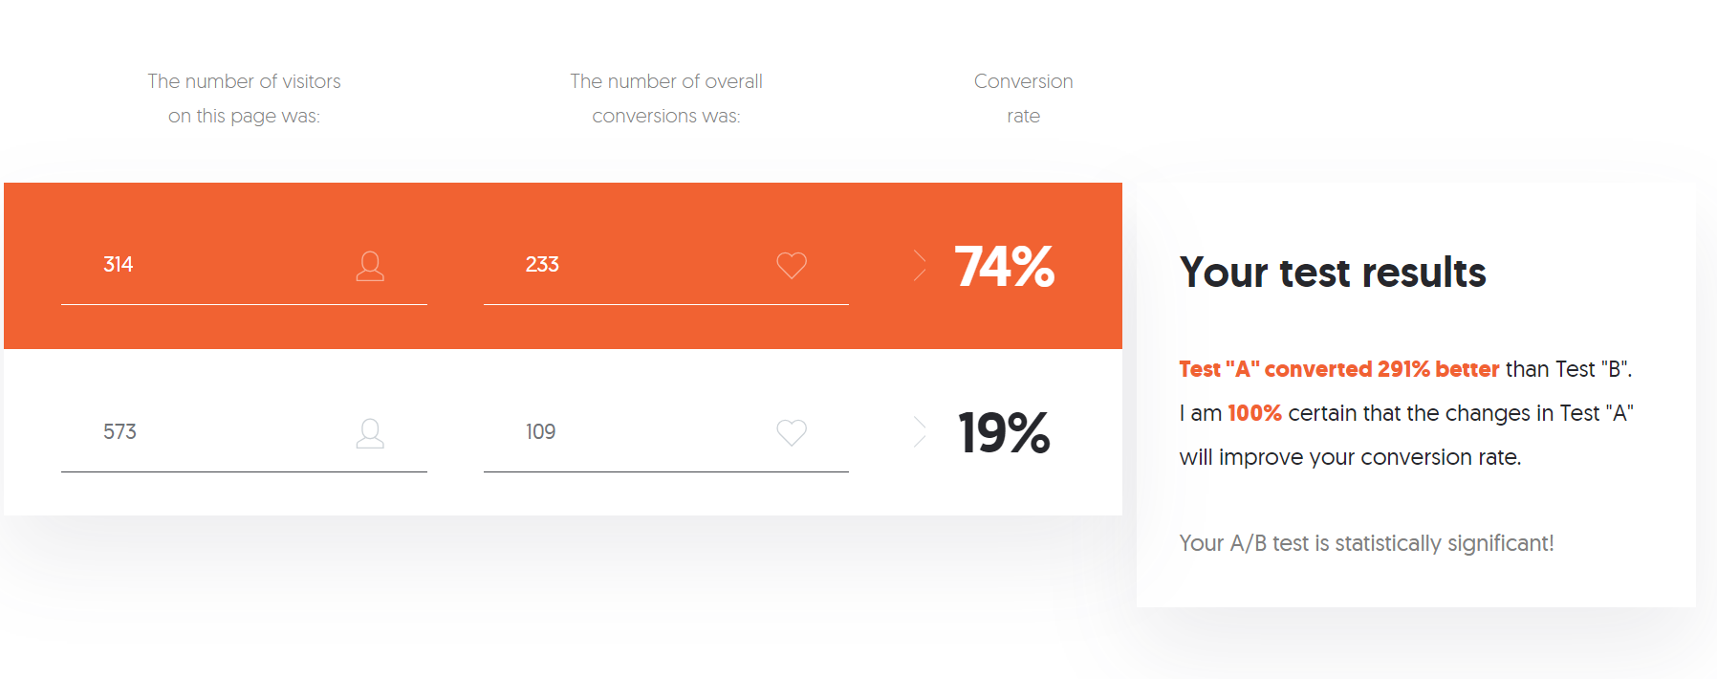

Based on the significance model above, we will be rejecting the null as gender does play a role in survival rates in the sinking of the Titanic

